PV of lease payments template
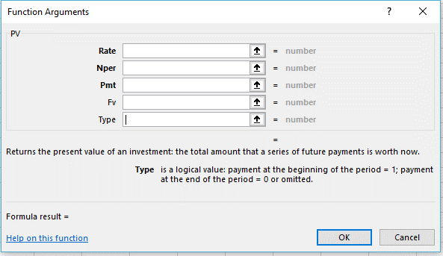
For calculate the Present Value of Lease Payments, you can use the
Financial "PV" formula if the lease payments are the same very pay period
or you can use the template below

 | Rate: Enter interest rate for the pay periods.
 | Nper: Enter the total number of payments
 | Pmt: Enter the payment amount for each period
 | Fv: Enter "0" or omitted
 | Type: Follow directions

Present Value of Lease Payments - excel template

Period | Cash | Present Value | Step 1
0 |  |  | Enter the number of periods starting from 0 to 9 in the first column.
1 |  |  | If the payments are made at the end of the period (in arrears), then
2 |  |  | the numbering would be from 1 to 9.
3
4 |  |  | Step 2
5 |  |  | Enter the payment amount in the cash column
6
7 |  |  | Step 3
8 |  |  | For the Present Value column, click the third symbol in the box to | Rate: is the interest rate per period.
9 |  |  | the right of the spreadsheet location box (box is to the left of the | For example, use 6%/12 for the monthly
10 |  |  | info enter box. Select the "Financial" category; then select "PV" | payments at 6% APR.
11 |  |  | under function. Press "OK" button | Nper: payment period (number of payment periods)
12 |  |  |  | Pmt: is the payment made each period
13 |  |  | OR you can select "Formulas" from the Header row at the top of the | Fv: is the future value or a cash value you want to
14 |  |  | spreadsheet. Select the "Financial" drop down and then select "PV" | attain after the last payment is made.
15 |  |  |  | Type: is a logical value; payment at the beginning of
16 |  |  | For the Nper box in the formula select the Column A cell for the PV | the period = 1; payment at the end of the
17 |  |  | row being calculated. For the payment amount enter "0" or leave | period = 0 or omitted.
18 |  |  | it blank. For the "Fv" box enter negative select the cell in Column B
19 |  |  | on the row.
20 |  |  | Enter 1 or 0 as appropriately for Type.
21
22 |  |  | At the bottom of the table enter "Total" on the final line
23 |  |  | in the Period column and then total the Cash and PV columns.

Lease liability Amortization
Create a Lease Liability Amorization Schedule - excel template

Period | Cash | Expense | Liability Reduction | Liability Balance
0 |  |  |  |  | Step 1
1 |  |  |  |  | Enter the number of periods starting from 0 to 9 in the first column.
2
3
4 |  |  |  |  | Step 2
5 |  |  |  |  | Enter the cash payments in each period. Because payments are
6 |  |  |  |  | made in advance the first payment is made in period 1.
7
8 |  |  |  |  | Step 3
9 |  |  |  |  | Enter "0" for expense in period 0 and period 1 (because payments
10 |  |  |  |  | are made in advance). In expense for period 2; enter the cell
11 |  |  |  |  | for period 1 Liability balance and multiply by the interest rate for
12 |  |  |  |  | the payment period (annual percent rate divided by the number
13 |  |  |  |  | of .payments in a year)
14 |  |  |  |  | Expense cell for period 2 = E5 cell multiply by the interest rate
15
16 |  |  |  |  | Step 4
17 |  |  |  |  | Copy the formula for expense in period 2 down for the remaining
18 |  |  |  |  | expense cells in the column.
19
20 |  |  |  |  | Step 5
21 |  |  |  |  | The formula for each liability reduction cell is the corresponding
22 |  |  |  |  | cash cell minus the corresponding expense cell. Starting in
23 |  |  |  |  | period 0.
 |  |  |  |  | Liability reduction cell for period 0 = B4 cell minus C4 cell.

 |  |  |  |  | Step 6
 |  |  |  |  | Copy the formula in liability reduction in period 0 down for the
 |  |  |  |  | remaining liability reduction cells in the column.
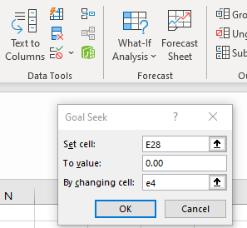
 |  |  |  |  | Step 7
 |  |  |  |  | Enter "0" for the liability balance in period 0. In liability balance
 |  |  |  |  | for period 1, enter the cell for the liability balance in period 0
 |  |  |  |  | minus the liability reduction in period 1. So it’s the previously
 |  |  |  |  | liability balance reduced by the current liability reduction.
 |  |  |  |  | Liability balance for period 1 = E4 minus D5.

 |  |  |  |  | Step 8
 |  |  |  |  | Copy the formula for liability balance in period 1 down for the
 |  |  |  |  | remaining liability balance cells in the column.

 |  |  |  |  | Step 9
 |  |  |  |  | You can use the "What IF Analysis" - "Goal Seek" under Data
 |  |  |  |  | and set the value for the last cell as 0.00 and have the value
 |  |  |  |  | in the Liability Balance column for period 0 calculation
 |  |  |  |  | by the computer.

Lease Liability Amort (blank)
Lease Liability Calculation and Amortization Schedule

PV(rate, nper, pmt, [fv], [type]
Calculates present value

LEASE _______ #1 |  |  |  |  |  | fiscal years
 |  |  |  |  |  | 2021 | 2022 | 2023 | 2024 | 2025 | 2026
Contract for 5 buses |  |  |  |  |  | july |  |  |  |  | july
 |  |  |  |  |  | august |  |  |  |  | august
Lease Start Date |  |  |  |  |  | september |  |  |  |  | september
Lease End Date |  |  |  |  |  | october |  |  |  |  | october
Lease payment due on |  |  |  |  |  | november |  |  |  |  | november
 |  |  |  |  |  | december |  |  |  |  | december
Lease Term | n |  |  |  |  | january |  |  |  |  | january
Number of lease payments per year | m |  |  |  |  | february |  |  |  |  | february
Annual Interest Rate | APR |  |  |  |  | march |  |  |  |  | march
Interest rate revelant for each period (APR/m) | rate |  |  |  |  | apri |  |  |  |  | apri
Total number of lease payments | nper |  |  |  |  | may |  |  |  |  | may
Periodic lease payment (monthly) | pmt |  |  |  |  | june |  |  |  |  | june
Residual payment of lease | [fv]
Type (payment due at beginning or end of period) | [type] |  |  |  |  | 6 |  |  |  |  | 6
 |  |  |  |  |  |  | 12 | 12 | 12 | 12
Present value of lease payments | PV |  |  |  |  |  |  |  |  |  | 48
 |  |  |  |  |  |  |  |  |  |  | 6
Adjustments to Lease Liability Balance |  |  |  |  |  |  |  |  |  |  | 6
 |  |  |  |  |  |  |  |  |  |  | 60
Initial Lease Liability |  |  | $-

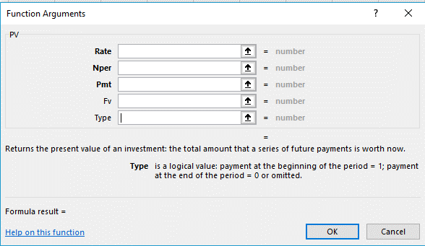

Summary of Lease Liability Amortization

Fiscal Year Ended June 30: |  |  | Principal |  | Interest

2021
Lease Example # 1 |  | $ | 9,525.67 | $ | 2,474.33
Lease #2
Lease #3
Lease #4
 |  |  | 9,525.67 |  | 2,474.33

2022
Lease Example # 1 |  |  | 18,846.11 |  | 5,153.89
Lease #2
Lease #3
Lease #4
 |  |  | 18,846.11 |  | 5,153.89

2023
Lease Example # 1 |  |  | 20,008.49 |  | 3,991.51
Lease #2
Lease #3
Lease #4
 |  |  | 20,008.49 |  | 3,991.51

2024
Lease Example # 1 |  |  | 21,242.57 |  | 2,757.43
Lease #2
Lease #3
Lease #4
 |  |  | 21,242.57 |  | 2,757.43

2025
Lease Example # 1 |  |  | 22,552.77 |  | 1,447.23
Lease #2
Lease #3
Lease #4
 |  |  | 22,552.77 |  | 1,447.23

2026 - 2030
Lease Example # 1 |  |  | 11,792.77 |  | 207.23
Lease #2
Lease #3
Lease #4
 |  |  | 11,792.77 |  | 207.23

Total Principal and Interest |  | $ | 103,968.38 | $ | 16,031.62

